Gol'din (2007)
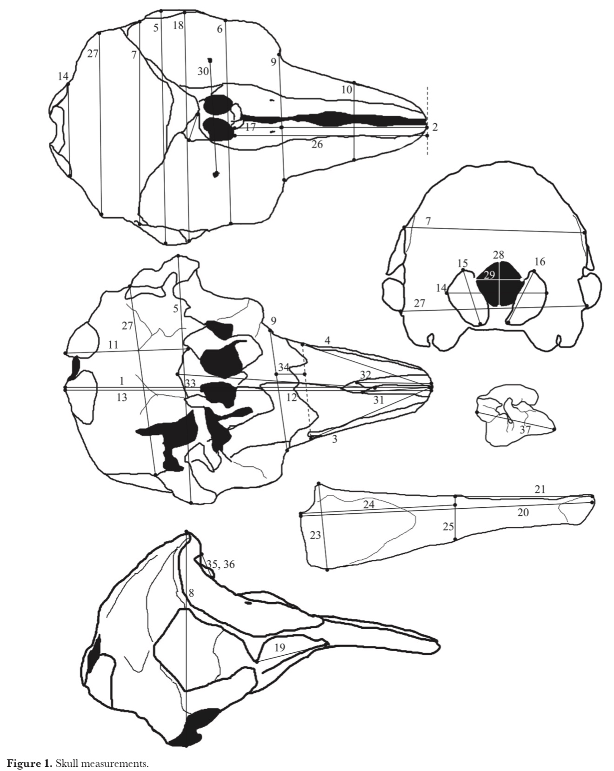
# | Measurement | Description
1 | condylobasal length
2 | rostrum length
3 | length of the left upper tooth row
4 | length of the right upper tooth row
5 | zygomatic width
6 | orbital width
7 | parietal width
8 | skull height
9 | rostrum width at the base
10 | rostrum width at the mid-point
11 | length of basioccipital | distance from the tips of condyles to the posterior point of the vomer
12 | length of the facial region
13 | length of the braincase (outer)
14 | condylar width
15 | condylar height (left)
16 | condylar height (right)
17 | length of the prenarial region
18 | postorbital width
19 | length of the orbit
20 | length of the mandible
21 | length of the left lower tooth row
22 | length of the right lower tooth row
23 | height of the ramus at the base
24 | length of the ramus | in the strict sense
25 | height of the ramus posterior to the tooth row
26 | distance from tip of the rostrum to the external nares
27 | occipital width
28 | height of the foramen magnum
29 | width of the foramen magnum
30 | distance between back maxillary fenestra | foramina supraorbitale
31 | length of the anterior part of the left premaxilla | distance from the tip of rostrum to the posterior point of the visible part of the bone on lower surface of the rostrum
32 | length of the anterior part of the right premaxilla
33 | length of the vomer
34 | length of the posterior part of the rostrum | distance from the base of the rostrum to the line connecting the posterior points of the tooth rows, measured along the central axis of the rostrum
35 | length of the left nasal bone
36 | length of the right nasal bone
37 | length of bulla tympani

Pardo et al 2009
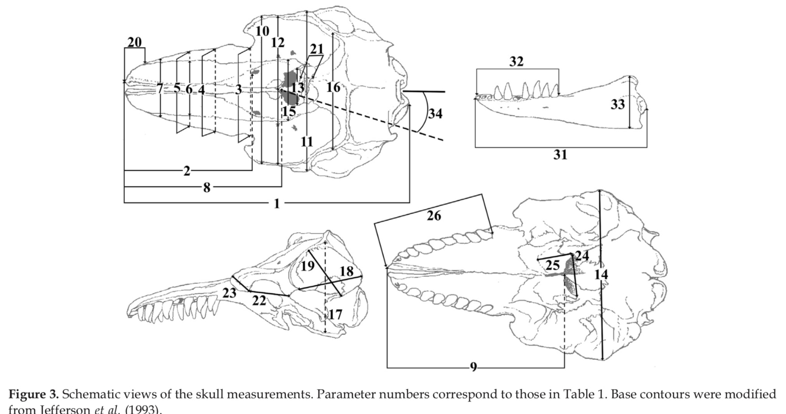
# | Measurement
1 | Condylobasal length
2 | Length of rostrum
3 | Width of rostrum at base
4 | Width of rostrum at 1/4 length
5 | Width of rostrum at 1/2 length
6 | Width of premaxillaries at 1/2 length of rostrum
7 | Width of rostrum at 3/4 length
8 | Dorsal distance from tip of rostrum to internal nares
9 | Ventral distance from the tip of rostrum to internal nares
10 | Greatest preorbital width
11 | Greatest posorbital width
12 | Least supraorbital width
13 | Greatest width of external nares
14 | Greatest width across zygomatic processes of squamosal
15 | Greatest width of premaxillaries
16 | Greatest parietal width
17 | Vertical external height of braincase
18 | Greatest length of left posttemporal fossa
19 | Greatest width of left postemporal fossa
20 | Projection of premaxillaries beyond maxillaries
21 | Distance from foremost end of junction between nasal to hindmost point of margin of supraoccipital crest
22 | Length of left orbit-from apex of preorbital process to apex of post-orbital process
23 | Length of antorbital process of left lacrimal
24 | Greatest width of internal nares
25 | Greatest length of left pterygoid
26 | Length of upper left tooth row
27 | Number of teeth - upper left
28 | Number of teeth - upper right
29 | Number of teeth - lower left
30 | Number of teeth - lower right
31 | Length of lower left tooth row
32 | Greatest length of left ramus
33 | Greatest height of left ramus

